Sheet1
 | Jadwal Pengerjaan CPHMS
 | 2021-04-30 | 2021-05-01 | 2021-05-04 | 2021-05-07 | 2021-05-08 | 2021-05-11 | 2021-05-14 | 2021-05-15 | 2021-05-18 | 2021-05-21 | 2021-06-05
09.00 |  | Diskusi Progress |  |  | Diskusi Progress |  |  | IDUL FITRI |  |  | PrESENTASI TUBES
10.30 | Diskusi Progress |  |  | Diskusi Progress |  |  | IDUL FITRI |  |  | Persiapan Presentasi
11.30 |  |  | Diskusi Progress |  |  | Diskusi Progress |  |  | Diskusi Progress
12.00
13.00
14.00
15.00 |  |  | Diskusi Progress |  |  | Diskusi Progress |  |  | Diskusi Progress
16.00
17.00
18.00
19.00
20.00
Link Meet | https://meet.google.com/grx-jvnz-era | https://meet.google.com/mdf-kaha-oto | https://meet.google.com/nnx-scuh-xin | https://meet.google.com/utp-mkup-jfd | https://meet.google.com/pta-jhjc-nec | https://meet.google.com/uov-iddu-qya |  |  | https://meet.google.com/gvg-wgxn-yeq | https://meet.google.com/ouk-zzjz-ktc
Target |  | Desain Simulasi, flowchart |  |  | PPT, Kelancaran Alat, Akusisi Data, Pengolahan Data |  |  |  | Paper(IEEE Style) :: Pertimbangan

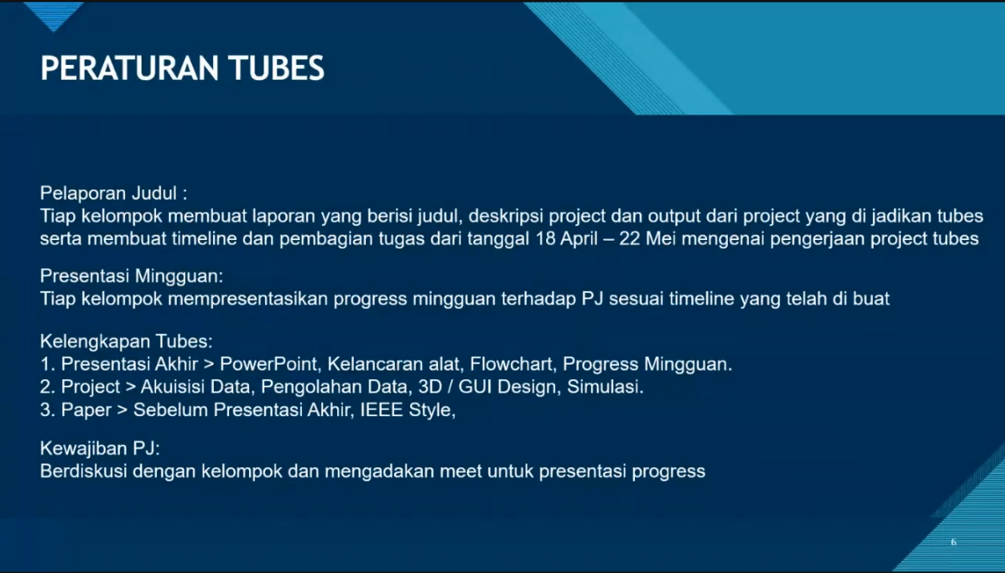

 |  |  |  |  |  |  |  |  |  |  |  | Selasa | 11.30-12.30
 |  |  |  |  |  |  |  |  |  |  |  |  | 15.30-17.00
 |  |  |  |  |  |  |  |  |  |  |  | Jumat | 10.30-11.30
 |  |  |  |  |  |  |  |  |  |  |  | sabtu | free

ss
